Mechanical Design Certificate
Mechanical Design Certificate

Pursuant to the provisions of Clause A5G3 of the National Construction Code 2022, Volume 1. |  |  |  |  |  |  |  | Pursuant to the provisions of Clause A5.2 of the National Construction Code 2019 Admt 1, Volume 1.
I | Qing Felix Ye |  | of | Premium Consulting Engineers
 | (Appropriately qualified person) |  |  | (Firm)
 | Suite 802, 299 Sussex Street, Sydney NSW 2000
 | (Address)
Qualifications and experience:
Please select the clauses from the following list to suit the porject.
 | Master of HVAC Engineering, Chartered Professional Engineer (MIEAust No.: 3631369);
 | NSW Fair Trading C9 Certifier (Reg No.: BDC04672); and
 | NSW Fair Trading Mechanical Design Practitioner (Reg No.: DEP0000275)

Hereby certify:
That the Mechanical Services Drawings and Specifications have been checked and comply with:
• | The relevant clauses of the National Construction Code 2022. |  |  |  |  |  |  | • | The relevant clauses of the National Construction Code 2019 Amendment 1.
 | BCA Clause |  | Description (Mechanical) |  |  |  |  |  | BCA Clause | Description (Mechanical)
 | Specification 7(S7C5) |  | Fire Resistance Fire Hazard Property Air-handling ductwork |  |  |  |  |  | Specification C1.10(5) | Fire Resistance Fire Hazard Property Air-handling ductwork
 | C2D11 |  | Fire Resistance Fire Hazard Property Air-handling ductwork |  |  |  |  |  | C1.10(5) | Fire Resistance Fire Hazard Property Air-handling ductwork
 | C4D10 |  | Fire Resistance Protection of openings Service penetrations in fire-isolated exits |  |  |  |  |  | C3.9 | Fire Resistance Protection of openings Service penetrations in fire-isolated exits
 | C4D13 |  | Fire resistance Protection of Openings Openings in floors and ceilings for services |  |  |  |  |  | C3.12 | Fire resistance Protection of Openings Openings in floors and ceilings for services
 | C4D15 |  | Fire resistance Protection of Openings Openings for service installations |  |  |  |  |  | C3.15 | Fire resistance Protection of Openings Openings for service installations
 | E2D3 |  | Smoke Hazard Management General requirements Air Handling Systems |  |  |  |  |  | E2.2 (a), (b)& (c) | Smoke Hazard Management General requirements Air Handling Systems
 | F6D6 |  | Health and Amenity Light and Ventilation Ventilation of rooms |  |  |  |  |  | F4.5 | Health and Amenity Light and Ventilation Ventilation of rooms
 | F6D7 |  | Health and amenity Light and ventilation Natural Ventilation |  |  |  |  |  | F4.6 | Health and amenity Light and ventilation Natural Ventilation
 | F6D11 |  | Health and Amenity Light and Ventilation Carparks |  |  |  |  |  | F4.11 | Health and Amenity Light and Ventilation Carparks
 | F6D12 |  | Health and Amenity Light and Ventilation Kitchen local exhaust ventilation |  |  |  |  |  | F4.12 | Health and Amenity Light and Ventilation Kitchen local exhaust ventilation
 | F8D4 |  | Health and amenity Condensation management Flow rate and discharge of exhaust systems |  |  |  |  |  | F6.3 | Health and amenity Condensation management Flow rate and discharge of exhaust systems
 | J5D6 |  | Energy Efficiency Building Sealing Exhaust Fans |  |  |  |  |  | J3.5 | Health and amenity Condensation Management Ventilation of roof spaces
 | J6 |  | Energy Efficiency Air-conditioning and Ventilation Systems |  |  |  |  |  | J5 | Energy Efficiency Air-conditioning and Ventilation Systems

• | The referenced Australian Standards listed in the Building Code of Australia (Schedule 4 Referenced Documents) as follows:
 | Standard |  | Description (Mechanical) |  |  |  |  |  | Standard | Description (Mechanical)
 | AS1668.1:2015 |  | The use of ventilation and airconditioning in Buildings Part 1: Fire and Smoke Control in buildings |  |  |  |  |  | AS1668.1:2015 | The use of ventilation and airconditioning in Buildings Part 1: Fire and Smoke Control in buildings
 | AS1668.2:2012 |  | The use of ventilation and air conditioning in buildings Part 2: Mechanical ventilation for acceptable indoor-air quality |  |  |  |  |  | AS1668.2:2012 | The use of ventilation and air conditioning in buildings Part 2: Mechanical ventilation for acceptable indoor-air quality
 |  |  |  |  |  |  |  |  | 4254.2:2012 | Ductwork for Air-Handling Systems in Buildings - Rigid Duct
The following is a schedule of the relevant service design drawings and specifications.
 | Drawing Number |  | Drawing Name |  |  |  | Revision
 | M-000 |  | Cover Sheet |  |  |  | A
 | M-001 |  | Tenancy Level Layout |  |  |  | A
 | M-002 |  | Roof Layout |  |  |  | A

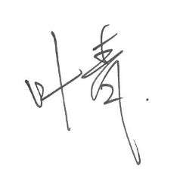
Yours faithfully,

Name: |  | Qing Ye (Felix) |  |  | Date: | 2024-03-01

Note: drawing list auto-copied from '01-Project Info' section.

02-Air System Sizer
 |  |  |  |  |  |  |  |  |  |  |  |  |  |  |  |  | Fluid density (kg/m3) |  | 1.204
 |  |  |  |  |  |  |  |  |  |  |  |  |  |  |  |  | Duct material |  | Galvanised steel
 |  |  |  |  |  |  |  |  |  |  |  |  |  |  |  |  | Abs. roughness (mm) |  | 0.150
System: | XXX
Level | Room/Grille Type 1 |  |  |  | Room/Grille Type 2 |  |  |  | Room/Grille Type 3 |  |  |  | Room/Grille Type 4 |  |  |  | Total Flow | Duct Branch Sizer |  |  |  | Total Flow | Duct Riser Sizer |  |  |  | Nos. of Grille | Air Flow | Grille Sizer
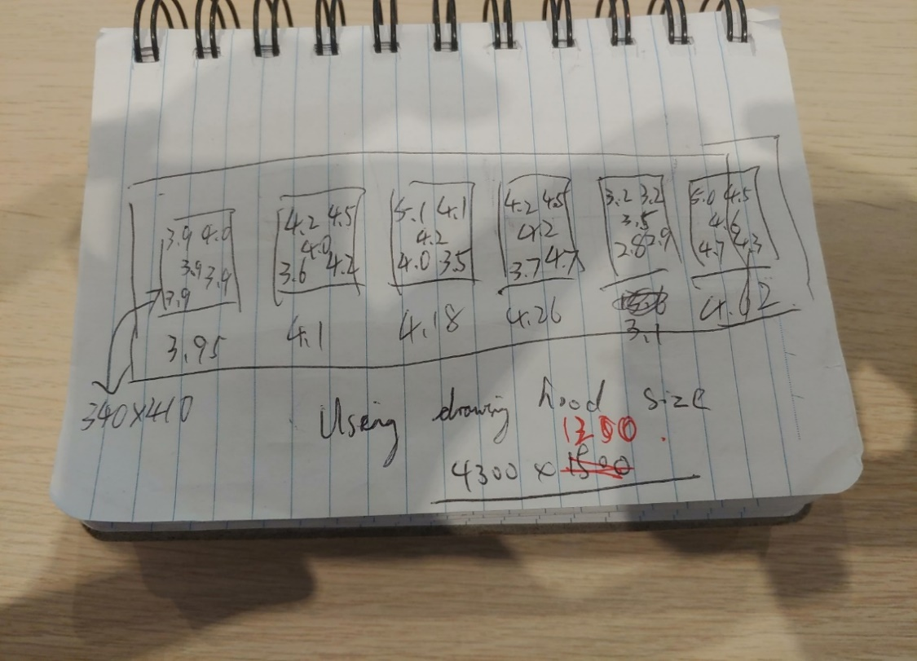
 | NO. | Room | Rate | Flow | NO. | Room | Rate | Flow | NO. | Room | Rate | Flow | NO. | Room | Rate | Flow |  | Width | Height | Face Velocity | Fric Loss |  | Width | Height | Face Velocity | Fric Loss |  |  | Width | Height | Area Ratio | Face velocity | Act, Velocity
 |  |  | L/s | L/s |  |  | L/s | L/s |  |  | L/s | L/s |  |  | L/s | L/s | L/s | m | m | m/s | Pa/m | L/s | m | m | m/s | Pa/m |  | L/s | m | m | % | m/s | m/s
XXX | 1 |  | 2300 |  | 0 |  | 0 |  | 0 |  | 0 |  | 0 |  | 0 |  |  |  |  |  |  |  |  |  |  |  |  |  |  |  |  |  |  | Shop 301
 |  |  |  | 2300 |  |  |  | 0 |  |  |  | 0 |  |  |  | 0 | 2300 | 0.95 | 0.35 | 6.92 | 0.98 |  |  |  | - |  | 1 | 181 | 1.20 | 0.15 | 60% | 1.01 | 1.68 |  | 4300Wx1200D
 | 0 |  | 0 |  | 0 |  | 0 |  | 0 |  | 0 |  | 0 |  | 0 |  |  |  |  |  |  |  |  |  |  |  |  |  |  |  |  |  |  | Hood-1 |  | Designed Air Flow,L/s |  | 2140
 |  |  |  | 0 |  |  |  | 0 |  |  |  | 0 |  |  |  | 0 | 0 | 0.00 | 0.00 | - | - | 2300 |  |  | - | - | 2 | 0 | 0.00 | 0.00 | 50% | - | - | NO. | Fliter | Size X, mm | Size Y, mm | Velocity point 1 | Velocity point 2 | Velocity point 3 | Velocity point 4 | Velocity point 5 | Air Flow, L/s
 | 0 |  | 0 |  | 0 |  | 0 |  | 0 |  | 0 |  | 0 |  | 0 |  |  |  |  |  |  |  |  |  |  |  |  |  |  |  |  |  |  | 1 | SS Filter | 410 | 340 | 3.9 | 4 | 3.9 | 3.9 | 3.9 | 546
 |  |  |  | 0 |  |  |  | 0 |  |  |  | 0 |  |  |  | 0 | 0 | 0.00 | 0.00 | - | - | 2300 |  |  | - | - | 0 | - | 0.00 | 0.00 | 50% | - | - | 2 | SS Filter | 410 | 340 | 4.2 | 4.5 | 4 | 3.9 | 3.9 | 572
 | 0 |  | 0 |  | 0 |  | 0 |  | 0 |  | 0 |  | 0 |  | 0 |  |  |  |  |  |  |  |  |  |  |  |  |  |  |  |  |  |  | 3 | SS Filter | 410 | 340 | 5.1 | 4.1 | 4.2 | 4 | 3.5 | 583
 |  |  |  | 0 |  |  |  | 0 |  |  |  | 0 |  |  |  | 0 | 0 | 0.00 | 0.00 | - | - | 2300 |  |  | - | - | 0 | - | 0.00 | 0.00 | 50% | - | - | 4 | SS Filter | 410 | 340 | 4.2 | 4.5 | 4.2 | 3.7 | 4.7 | 594
 | 0 |  | 0 |  | 0 |  | 0 |  | 0 |  | 0 |  | 0 |  | 0 |  |  |  |  |  |  |  |  |  |  |  |  |  |  |  |  |  |  | 5 | SS Filter | 410 | 340 | 3.2 | 3.2 | 3.5 | 2.8 | 2.9 | 435
 |  |  |  | 0 |  |  |  | 0 |  |  |  | 0 |  |  |  | 0 | 0 | 0.00 | 0.00 | - | - | 2300 |  |  | - | - | 0 | - | 0.00 | 0.00 | 50% | - | - | 6 | SS Filter | 410 | 340 | 5 | 4.5 | 4.6 | 4.7 | 4.3 | 644
 | 0 |  | 0 |  | 0 |  | 0 |  | 0 |  | 0 |  | 0 |  | 0
 |  |  |  | 0 |  |  |  | 0 |  |  |  | 0 |  |  |  | 0 | 0 | 0.00 | 0.00 | - | - | 2300 | 0.00 | 0.00 | - | - | 0 | - | 0.00 | 0.00 | 50% | - | - |  |  |  |  |  |  | Designed Air Flow,L/s | 1220 | Total | 3373
 | 0 |  | 0 |  | 0 |  | 0 |  | 0 |  | 0 |  | 0 |  | 0 |  |  |  |  |  |  |  |  |  |  |  |  |  |  |  |  |  |  |  |  |  |  |  |  |  |  | Percentage, % | 277%
 |  |  |  | 0 |  |  |  | 0 |  |  |  | 0 |  |  |  | 0 | 0 | 0.00 | 0.00 | - | - | 2300 | 0.00 | 0.00 | - | - | 0 | - | 0.00 | 0.00 | 50% | - | -
 | 0 |  | 0 |  | 0 |  | 0 |  | 0 |  | 0 |  | 0 |  | 0
 |  |  |  | 0 |  |  |  | 0 |  |  |  | 0 |  |  |  | 0 | 0 | 0.00 | 0.00 | - | - | 2300 | 0.00 | 0.00 | - | - | 0 | - | 0.00 | 0.00 | 50% | - | -
 | 0 |  | 0 |  | 0 |  | 0 |  | 0 |  | 0 |  | 0 |  | 0 |  |  |  |  |  |  |  |  |  |  |  |  |  |  |  |  |  |  | Shop 302
 |  |  |  | 0 |  |  |  | 0 |  |  |  | 0 |  |  |  | 0 | 0 | 0.00 | 0.00 | - | - | 2300 | 0.00 | 0.00 | - | - | 0 | - | 0.00 | 0.00 | 50% | - | - |  | 2300Wx1150D
 |  |  |  |  |  |  |  |  |  |  |  |  |  |  |  |  |  |  |  |  |  |  |  |  |  |  |  |  |  |  |  |  |  | Hood-1 |  | Designed Air Flow,L/s |  | 1160
 |  |  |  |  |  |  |  |  |  |  |  |  |  |  |  |  |  |  |  |  |  |  |  |  |  |  |  |  |  |  |  |  |  | NO. | Fliter | Size X, mm | Size Y, mm | Velocity point 1 | Velocity point 2 | Velocity point 3 | Velocity point 4 | Velocity point 5 | Air Flow, L/s
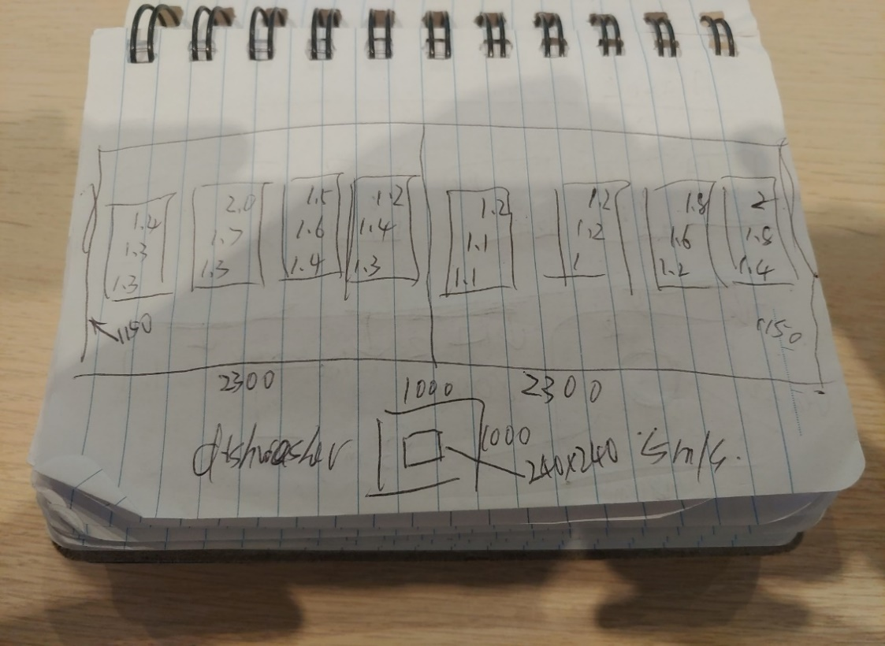
 |  |  |  |  |  |  |  |  |  |  |  |  |  |  |  |  |  |  |  |  |  |  |  |  |  |  |  |  |  |  |  |  |  | 1 | SS Filter | 410 | 340 | 1.4 | 1.3 | 1.3 |  |  | 186
 |  |  |  |  |  |  |  |  |  |  |  |  |  |  |  |  |  |  |  |  |  |  |  |  |  |  |  |  |  |  |  |  |  | 2 | SS Filter | 410 | 340 | 2 | 1.7 | 1.3 |  |  | 232
 |  |  |  |  |  |  |  |  |  |  |  |  |  |  |  |  |  |  |  |  |  |  |  |  |  |  |  |  |  |  |  |  |  | 3 | SS Filter | 410 | 340 | 1.5 | 1.6 | 1.4 |  |  | 209
 |  |  |  |  |  |  |  |  |  |  |  |  |  |  |  |  |  |  |  |  |  |  |  |  |  |  |  |  |  |  |  |  |  | 4 | SS Filter | 410 | 340 | 1.2 | 1.4 | 1.3 |  |  | 181

 |  |  |  |  |  |  |  |  |  |  |  |  |  |  |  |  |  |  |  |  |  |  |  |  |  |  |  |  |  |  |  |  |  |  |  |  |  |  |  | Designed Air Flow,L/s | 1210 | Total | 809
 |  |  |  |  |  |  |  |  |  |  |  |  |  |  |  |  |  |  |  |  |  |  |  |  |  |  |  |  |  |  |  |  |  |  |  |  |  |  |  |  |  | Percentage, % | 67%
 |  |  |  |  |  |  |  |  |  |  |  |  |  |  |  |  |  |  |  |  |  |  |  |  |  |  |  |  |  |  |  |  |  |  | 2300Wx1150D
 |  |  |  |  |  |  |  |  |  |  |  |  |  |  |  |  |  |  |  |  |  |  |  |  |  |  |  |  |  |  |  |  |  | Hood-2 |  | Designed Air Flow,L/s |  | 1120
 |  |  |  |  |  |  |  |  |  |  |  |  |  |  |  |  |  |  |  |  |  |  |  |  |  |  |  |  |  |  |  |  |  | NO. | Fliter | Size X, mm | Size Y, mm | Velocity point 1 | Velocity point 2 | Velocity point 3 | Velocity point 4 | Velocity point 5 | Air Flow, L/s
 |  |  |  |  |  |  |  |  |  |  |  |  |  |  |  |  |  |  |  |  |  |  |  |  |  |  |  |  |  |  |  |  |  | 1 | SS Filter | 410 | 340 | 1.2 | 1.1 | 1.1 |  |  | 158
 |  |  |  |  |  |  |  |  |  |  |  |  |  |  |  |  |  |  |  |  |  |  |  |  |  |  |  |  |  |  |  |  |  | 2 | SS Filter | 410 | 340 | 1.2 | 1.2 | 1 |  |  | 158
 |  |  |  |  |  |  |  |  |  |  |  |  |  |  |  |  |  |  |  |  |  |  |  |  |  |  |  |  |  |  |  |  |  | 3 | SS Filter | 410 | 340 | 1.8 | 1.6 | 1.2 |  |  | 214
 |  |  |  |  |  |  |  |  |  |  |  |  |  |  |  |  |  |  |  |  |  |  |  |  |  |  |  |  |  |  |  |  |  | 4 | SS Filter | 410 | 340 | 2 | 1.8 | 1.4 |  |  | 242

 |  |  |  |  |  |  |  |  |  |  |  |  |  |  |  |  |  |  |  |  |  |  |  |  |  |  |  |  |  |  |  |  |  |  |  |  |  |  |  | Designed Air Flow,L/s | 720 | Total | 771
 |  |  |  |  |  |  |  |  |  |  |  |  |  |  |  |  |  |  |  |  |  |  |  |  |  |  |  |  |  |  |  |  |  |  |  |  |  |  |  |  |  | Percentage, % | 107%

 |  |  |  |  |  |  |  |  |  |  |  |  |  |  |  |  |  |  |  |  |  |  |  |  |  |  |  |  |  |  |  |  |  |  | 1000Wx1000D
 |  |  |  |  |  |  |  |  |  |  |  |  |  |  |  |  |  |  |  |  |  |  |  |  |  |  |  |  |  |  |  |  |  | Dishwasher hood |  | Designed Air Flow,L/s |  | 300
 |  |  |  |  |  |  |  |  |  |  |  |  |  |  |  |  |  |  |  |  |  |  |  |  |  |  |  |  |  |  |  |  |  | NO. | Fliter | Size X, mm | Size Y, mm | Velocity point 1 | Velocity point 2 | Velocity point 3 | Velocity point 4 | Velocity point 5 | Air Flow, L/s
 |  |  |  |  |  |  |  |  |  |  |  |  |  |  |  |  |  |  |  |  |  |  |  |  |  |  |  |  |  |  |  |  |  | 1 | No filter | 240 | 240 | 5 |  |  |  |  | 288
 |  |  |  |  |  |  |  |  |  |  |  |  |  |  |  |  |  |  |  |  |  |  |  |  |  |  |  |  |  |  |  |  |  | 2 |  |  |  |  |  |  |  |  | 0
 |  |  |  |  |  |  |  |  |  |  |  |  |  |  |  |  |  |  |  |  |  |  |  |  |  |  |  |  |  |  |  |  |  | 3 |  |  |  |  |  |  |  |  | 0

 |  |  |  |  |  |  |  |  |  |  |  |  |  |  |  |  |  |  |  |  |  |  |  |  |  |  |  |  |  |  |  |  |  |  |  |  |  |  |  | Designed Air Flow,L/s | 300 | Total | 288
 |  |  |  |  |  |  |  |  |  |  |  |  |  |  |  |  |  |  |  |  |  |  |  |  |  |  |  |  |  |  |  |  |  |  |  |  |  |  |  |  |  | Percentage, % | 96%

03-Ventilation Rate
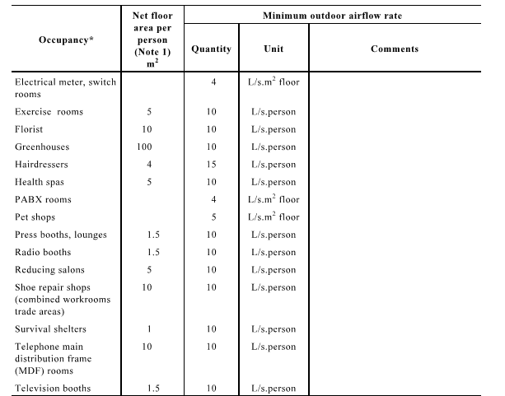
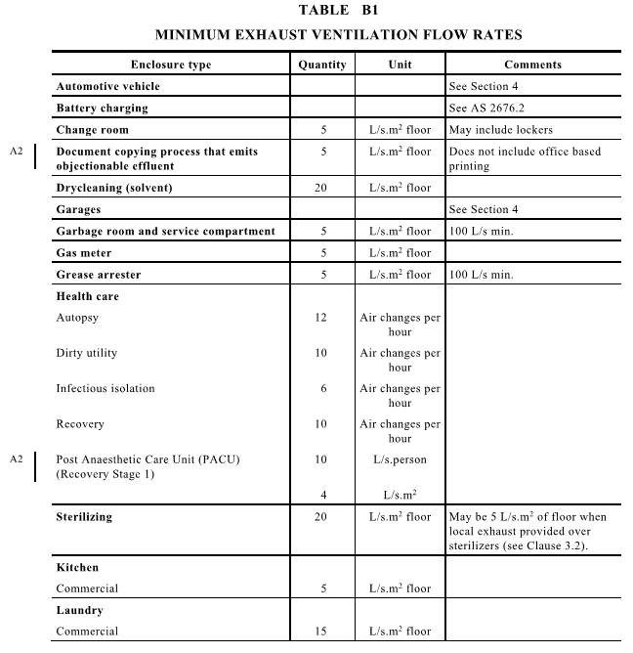
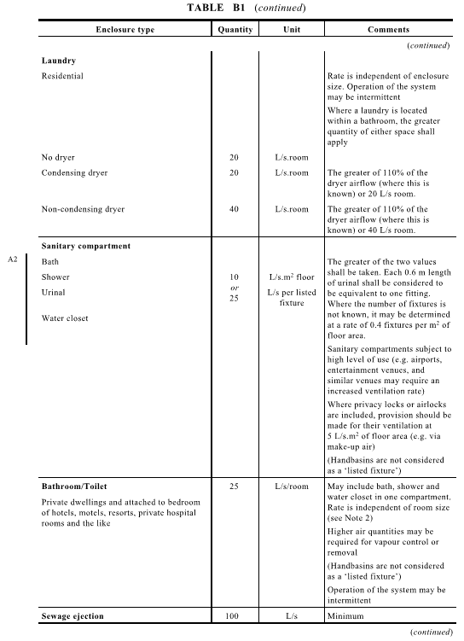
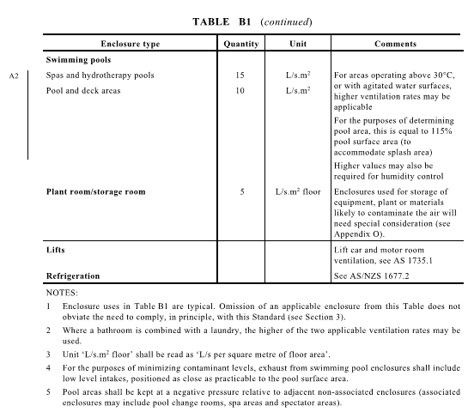
Room Name | Type | Area | Load rate | Air flow
 |  | m2 | W/m2 | L/s
 |  |  |  | 50
 |  |  |  | 0
 |  |  |  | 0
 |  |  |  | 0
 |  |  |  | 0
 |  |  |  | 0

 |  |  |  | 0
 |  |  |  | 0

 |  |  |  | 0
 |  |  |  | 0
 |  |  |  | 0
 |  |  |  | 0
 |  |  |  | 0
 |  |  |  | 0
 |  |  |  | 0
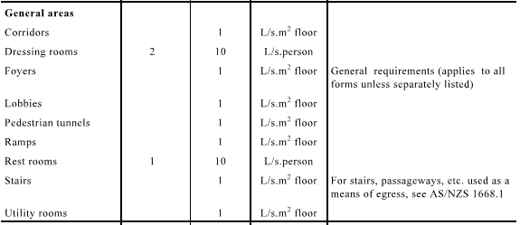
 |  |  |  | 0
 |  |  |  | 0
Examples
Toilet | Exhaust | 8 | 10 | 80
Gabage room | Exhaust | 10 | 5 | 100
Grease Arrestor | Exhaust | 15 | 5 | 100

Plant room | Exhaust/Supply | 15 | 5 | 100

Main Switch room | Supply | 15 | 5 | 75
Distribuiotn Borad room | Supply | 15 | 5 | 75
Stoage | Supply | 10 | 5 | 50
Lobby/Corridor | Supply | 55 | 1 | 55

04-Exhaust Hood
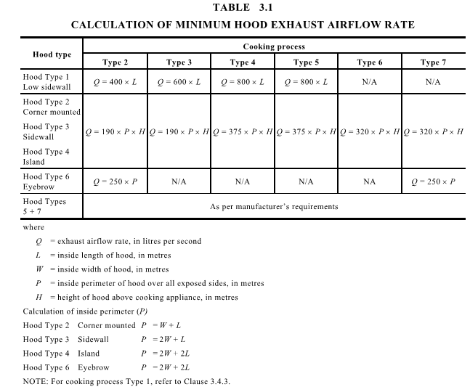
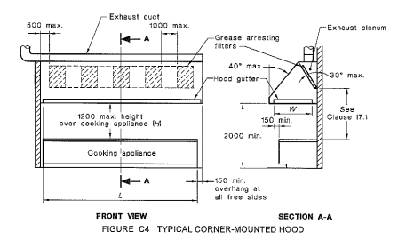
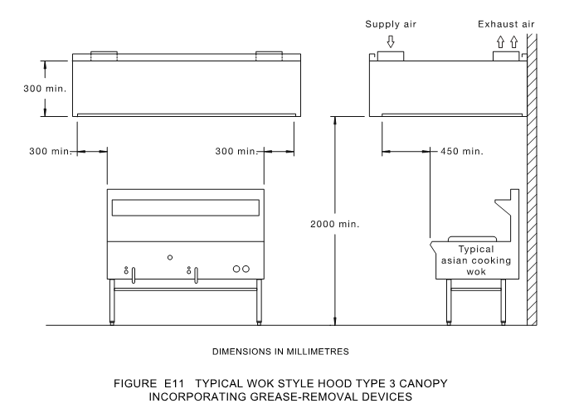
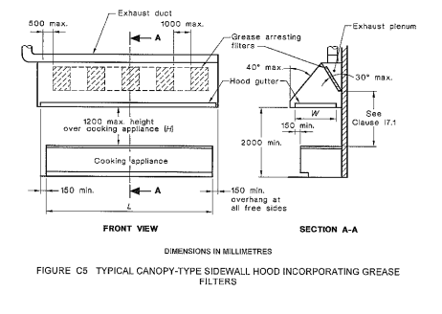

 |  |  |  |  |  |  |  |  |  |  |  |  |  | Fluid density (kg/m3) |  | 1.204
 |  |  |  |  |  |  |  |  |  |  |  |  |  | Duct material |  | Galvanised steel
 |  |  |  |  |  |  |  |  |  |  |  |  |  | Abs. roughness (mm) |  | 0.150

 |  |  |  |  |  |  |  |  |  |  |  |  |  | Absolute roughness - k - for some common materials
 |  |  |  |  |  |  |  |  |  |  |  |  |  | Galvanised steel |  | 0.15 | mm
 |  |  |  |  |  |  |  |  |  |  |  |  |  | Flexible duct |  | 0.3 | mm
 |  |  |  |  |  |  |  |  |  |  |  |  |  | Lagged duct |  | 0.375 | mm
 |  |  |  |  |  |  |  |  |  |  |  |  |  | Ordinary concrete |  | 1.000 | mm
 |  |  |  |  |  |  |  |  |  |  |  |  |  | Coarse concrete |  | 5.000 | mm
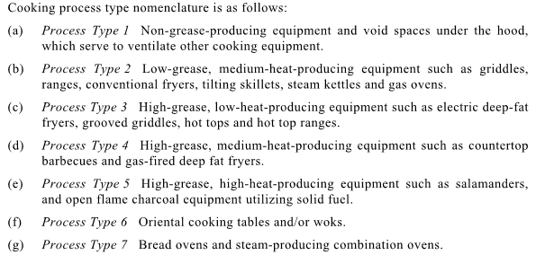
 |  |  |  |  |  |  |  |  |  |  |  |  |  | Stainless steel |  | 0.006 | mm
 |  |  |  |  |  | Type 1-4 = | 150mm overhange
 |  |  |  |  |  | Type 5 = | 300mm overhange
 |  |  |  |  |  | Type 6 = | 600mm overhange
 |  |  |  |  |  | Type 7 = | 450mm overhange

 |  |  |  |  |  |  |  |  | Duct Sizer |  |  |  | Dropper Qty | Air Flow | KE Dropper/ MA Flex Sizer |  |  |  | REF. | Air Flow | Grille Sizer
 |  |  |  |  |  |  |  |  | X | Y | Actu, Velocity | Fric Loss |  |  | X or Dia | Y | Actu, Velocity | Fric Loss |  |  | X | Y | Area Ratio | Face velocity | Act, Velocity |  |  | METAL Duct Sizer |  |  |  |  |  | METAL Duct Sizer
 |  |  |  |  |  |  |  |  | m | m | m/s | Pa/m |  | L/s | m | m | m/s | Pa/m |  | L/s | m | m | % | m/s | m/s |  |  | ID | Flow rate | Duct size |  | Velocity | Fric Loss | ID | Flow rate | Duct size |  | Velocity | Fric Loss
NO. | Hood Type | Cook Type | Vf | L | P | H | Q |  |  |  |  |  |  |  |  |  |  |  |  |  |  |  |  |  |  |  |  |  | L/s | W/m | H/m | m/s | Pa/m |  | L/s | W/m | H/m | m/s | Pa/m
1 | 3 | 6 | 320 |  | 4.2 | 1.1 | 1478 |  | 0.65 | 0.35 | 6.50 | 1.01 | 2 | 739.20 | 0.45 | 0.30 | 5.48 | 0.97 |  | 1478 | 0.90 | 0.85 | 50% | 1.93 | 3.87 |  |  | 1 | 85 | 0.20 | 0.20 | 2.13 | 0.35 | 1 | 75 | 0.20 | 0.20 | 1.87 | 0.28
 |  |  |  |  |  |  |  | 1257 |  |  | - | - | 4 | 314.16 | 0.35 |  | 3.26 | 0.51 |  | 1257 |  |  |  |  |  |  |  | 2 | 170 | 0.20 | 0.20 | 4.25 | 1.25 | 2 | 150 | 0.20 | 0.20 | 3.75 | 0.99
 |  |  |  |  |  |  | 0 |  | 0.00 | 0.00 | - | - |  | - |  |  | - | - |  | 0 | 0.00 | 0.00 | 50% | - | - |  |  | 3 | 255 | 0.40 | 0.20 | 3.19 | 0.51 | 3 | 225 | 0.40 | 0.20 | 2.81 | 0.41
 |  |  |  |  |  |  |  | 0 |  |  | - | - |  | - |  |  | - | - |  | 0 |  |  |  |  |  |  |  | 4 | 340 | 0.40 | 0.20 | 4.25 | 0.88 | 4 | 300 | 0.40 | 0.20 | 3.75 | 0.69
 |  |  |  |  |  |  | 0 |  |  |  | - | - |  | - |  |  | - | - |  | 0 | 0.00 | 0.00 | 50% | - | - |  |  | 5 | 425 | 0.40 | 0.20 | 5.31 | 1.33 | 5 | 375 | 0.40 | 0.20 | 4.69 | 1.05
 |  |  |  |  |  |  |  | 0 |  |  | - | - |  | - |  |  | - | - |  | 0 |  |  |  |  |  |  |  | 6 | 510 | 0.50 | 0.30 | 3.40 | 0.38 | 6 | 450 | 0.50 | 0.30 | 3.00 | 0.30
 |  |  |  |  |  |  | 0 |  |  |  | - | - |  | - |  |  | - | - |  | 0 | 0.00 | 0.00 | 50% | - | - |  |  | 7 | 595 | 0.50 | 0.30 | 3.97 | 0.51 | 7 | 525 | 0.50 | 0.30 | 3.50 | 0.40
 |  |  |  |  |  |  |  | 0 |  |  | - | - |  | - |  |  | - | - |  | 0 |  |  |  |  |  |  |  | 8 | 680 | 0.50 | 0.30 | 4.53 | 0.65 | 8 | 600 | 0.50 | 0.30 | 4.00 | 0.51
 |  |  |  |  |  |  | 0 |  |  |  | - | - |  | - |  |  | - | - |  | 0 | 0.00 | 0.00 | 50% | - | - |  |  | 9 | 765 | 0.50 | 0.30 | 5.10 | 0.81 | 9 | 675 | 0.50 | 0.30 | 4.50 | 0.64
 |  |  |  |  |  |  |  | 0 |  |  | - | - |  | - |  |  | - | - |  | 0 |  |  |  |  |  |  |  | 10 | 850 | 0.50 | 0.30 | 5.67 | 0.98 | 10 | 750 | 0.50 | 0.30 | 5.00 | 0.78
 |  |  |  |  |  |  | 0 |  |  |  | - | - |  | - |  |  | - | - |  | 0 | 0.00 | 0.00 | 50% | - | - |  |  | 11 | 935 | 0.70 | 0.30 | 4.45 | 0.55 | 11 | 825 | 0.70 | 0.30 | 3.93 | 0.43
 |  |  |  |  |  |  |  | 0 |  |  | - | - |  | - |  |  | - | - |  | 0 |  |  |  |  |  |  |  | 12 | 1020 | 0.70 | 0.30 | 4.86 | 0.64 | 12 | 900 | 0.70 | 0.30 | 4.29 | 0.51
 |  |  |  |  |  |  | 0 |  |  |  | - | - |  | - |  |  | - | - |  | 0 | 0.00 | 0.00 | 50% | - | - |  |  | 13 | 1105 | 0.70 | 0.30 | 5.26 | 0.75 | 13 | 975 | 0.70 | 0.30 | 4.64 | 0.59
 |  |  |  |  |  |  |  | 0 |  |  | - | - |  | - |  |  | - | - |  | 0 |  |  |  |  |  |  |  | 14 | 1190 | 0.70 | 0.30 | 5.67 | 0.86 | 14 | 1050 | 0.70 | 0.30 | 5.00 | 0.68
 |  |  |  |  |  |  | 0 |  |  |  | - | - |  | - |  |  | - | - |  | 0 | 0.00 | 0.00 | 50% | - | - |  |  | 15 | 1275 | 0.70 | 0.30 | 6.07 | 0.98 | 15 | 1125 | 0.70 | 0.30 | 5.36 | 0.77
 |  |  |  |  |  |  |  | 0 |  |  | - | - |  |  |  |  |  |  |  | 0 |  |  |  |  |  |  |  | 16 | 1360 | 0.70 | 0.30 | 6.48 | 1.10 | 16 | 1200 | 0.70 | 0.30 | 5.71 | 0.87
 |  |  |  |  |  |  |  |  |  |  |  |  |  |  |  |  |  |  |  |  |  |  |  |  |  |  |  | 17 | 1445 | 0.70 | 0.30 | 6.88 | 1.24 | 17 | 1275 | 0.70 | 0.30 | 6.07 | 0.98
 |  |  |  |  |  | Exhaust∑ | 1478 |  | 1.00 | 1.00 | 1.48 | 0.02 |  |  |  |  |  |  | Main Exhaust Grille | 1,478 | 0.00 | 0.00 | 50% | - | - |  |  | 18 | 1530 | 0.70 | 0.30 | 7.29 | 1.38 | 18 | 1350 | 0.70 | 0.30 | 6.43 | 1.09
 |  |  |  |  |  | Makeup∑ |  | 1257 | 0.00 | 0.00 | - | - |  |  |  |  |  |  | Main Supply Grille | 1,257 | 0.00 | 0.00 | 50% | - | - |  |  | 19 | 1615 |  |  | - | - | 19 | 1425 |  |  | - | -
 |  |  |  |  |  |  |  |  |  |  |  |  |  |  |  |  |  |  |  |  |  |  |  |  |  |  |  | 20 | 1700 |  |  | - | - | 20 | 1500 |  |  | - | -
 |  |  |  |  |  |  |  |  |  |  |  |  |  |  |  |  |  |  |  |  |  |  |  |  |  |  |  | 21 | 1785 |  |  | - | - | 21 | 1575 |  |  | - | -
 |  |  |  |  |  |  |  |  |  |  |  |  | METAL Duct Sizer |  |  |  |  |  | FLEX Duct Sizer |  |  |  |  |  |  |  |  | 22 | 1870 |  |  | - | - | 22 | 1650 |  |  | - | -
 |  |  |  |  |  |  |  |  |  |  |  |  | ID | Flow rate | Duct size |  | Velocity | Fric Loss | ID | Flow rate | Flex size | Velocity | ε | Dh | Re | Fd | Fric Loss | 23 | 1955 |  |  | - | - | 23 | 1725 |  |  | - | -
 |  |  |  |  |  |  |  |  |  |  |  |  |  | L/s | W/m | H/m | m/s | Pa/m |  | L/s | Dia/m | m/s | mm | mm |  |  | Pa/m | 24 | 2040 |  |  | - | - | 24 | 1800 |  |  | - | -
 |  |  |  |  |  |  |  |  |  |  |  |  |  | 1350 | 0.70 | 0.30 | 6.43 | 1.09 |  |  |  | - | 1.00 | 0.00 | - | - | - | 25 | 2125 |  |  | - | - | 25 | 1875 |  |  | - | -
 |  |  |  |  |  |  |  |  |  |  |  |  |  |  |  |  | - | - |  |  |  | - | 1.00 | 0.00 | - | - | - | 26 | 2210 |  |  | - | - | 26 | 1950 |  |  | - | -
 |  |  |  |  |  |  |  |  |  |  |  |  |  | 225 | 0.20 | 0.20 | 5.63 | 2.11 |  |  |  | - | 1.00 | 0.00 | - | - | -
 |  |  |  |  |  |  |  |  |  |  |  |  |  |  |  |  | - | - |  |  |  | - | 1.00 | 0.00 | - | - | -
 |  |  |  |  |  |  |  |  |  |  |  |  |  |  |  |  | - | - |  |  |  | - | 1.00 | 0.00 | - | - | -
 |  |  |  |  |  |  |  |  |  |  |  |  |  |  |  |  | - | - |  |  |  | - | 1.00 | 0.00 | - | - | -
 |  |  |  |  |  |  |  |  |  |  |  |  |  |  |  |  | - | - |  |  |  | - | 1.00 | 0.00 | - | - | -
 |  |  |  |  |  |  |  |  |  |  |  |  |  |  |  |  | - | - |  |  |  | - | 1.00 | 0.00 | - | - | -
 |  |  |  |  |  |  |  |  |  |  |  |  |  |  |  |  | - | -
 |  |  |  |  |  |  |  |  |  |  |  |  |  |  |  |  | - | -

 |  |  |  |  |  |  |  |  | Duct Sizer |  |  |  | Dropper Qty | Air Flow | KE Dropper/ MA Flex Sizer |  |  |  | REF. | Air Flow | Grille Sizer
 |  |  |  |  |  |  |  |  | X | Y | Actu, Velocity | Fric Loss |  |  | X or Dia | Y | Actu, Velocity | Fric Loss |  |  | X | Y | Area Ratio | Face velocity | Act, Velocity
 |  |  |  |  |  |  |  |  | m | m | m/s | Pa/m |  | L/s | m | m | m/s | Pa/m |  | L/s | m | m | % | m/s | m/s
NO. | Hood Type | Cook Type | Vf | L | P | H | Q
1 | 2 | 4 | 375 |  | 3 | 1.1 | 1238 |  | 0.85 | 0.40 | 3.64 | 0.27 | 2 | 618.75 | 0.45 | 0.40 | 3.44 | 0.33 |  | 1238 | 0.00 | 0.00 | 50% | - | -
 |  |  |  |  |  |  |  | 1052 |  |  | - | - | 4 | 262.97 | 0.35 |  | 2.73 | 0.36 |  | 1052
 |  |  |  |  |  |  | 0 |  | 0.00 | 0.00 | - | - |  | - |  |  | - | - |  | 0 | 0.00 | 0.00 | 50% | - | -
 |  |  |  |  |  |  |  | 0 |  |  | - | - |  | - |  |  | - | - |  | 0
 |  |  |  |  |  |  | 0 |  |  |  | - | - |  | - |  |  | - | - |  | 0 | 0.00 | 0.00 | 50% | - | -
 |  |  |  |  |  |  |  | 0 |  |  | - | - |  | - |  |  | - | - |  | 0
 |  |  |  |  |  |  | 0 |  |  |  | - | - |  | - |  |  | - | - |  | 0 | 0.00 | 0.00 | 50% | - | -
 |  |  |  |  |  |  |  | 0 |  |  | - | - |  | - |  |  | - | - |  | 0
 |  |  |  |  |  |  | 0 |  |  |  | - | - |  | - |  |  | - | - |  | 0 | 0.00 | 0.00 | 50% | - | -
 |  |  |  |  |  |  |  | 0 |  |  | - | - |  | - |  |  | - | - |  | 0
 |  |  |  |  |  |  | 0 |  |  |  | - | - |  | - |  |  | - | - |  | 0 | 0.00 | 0.00 | 50% | - | -
 |  |  |  |  |  |  |  | 0 |  |  | - | - |  | - |  |  | - | - |  | 0
 |  |  |  |  |  |  | 0 |  |  |  | - | - |  | - |  |  | - | - |  | 0 | 0.00 | 0.00 | 50% | - | -
 |  |  |  |  |  |  |  | 0 |  |  | - | - |  | - |  |  | - | - |  | 0
 |  |  |  |  |  |  | 0 |  |  |  | - | - |  | - |  |  | - | - |  | 0 | 0.00 | 0.00 | 50% | - | -
 |  |  |  |  |  |  |  | 0 |  |  | - | - |  |  |  |  |  |  |  | 0

 |  |  |  |  |  | Exhaust∑ | 1238 |  | 1.00 | 1.00 | 1.24 | 0.02 |  |  |  |  |  |  | Main Exhaust Grille | 1,238 | 0.00 | 0.00 | 50% | - | -
 |  |  |  |  |  | Makeup∑ |  | 1052 | 0.00 | 0.00 | - | - |  |  |  |  |  |  | Main Supply Grille | 1,052 | 0.00 | 0.00 | 50% | - | -

